藤野一村Fujino Yicun
藤野一村&彩伦品牌产品产品目录及价格表（人民币FOB价） Fujino Ichimura & Cai Lun Brand Products Catalogue and Price List(FOB CNY)
序号 NO. | 产品类型 | 产品名称 Product Name | 图片 Picture | HS编码 HS Code | 条码 Bar Code | 保质期 Shelf life | 规格/箱 Specification/Box | 外箱尺寸 CTN's Measrure LxWxH(cm) |  |  | 体积(m³) CBM(m³） | 箱重（KG） Gross Weight (KG)
 |  |  |  |  |  |  |  | 长 length | 宽 width | 高 height
1 | 饼干类 biscuit | 藤野一村138g小圆饼干 Fujino Ichimura 138g small round biscuits | 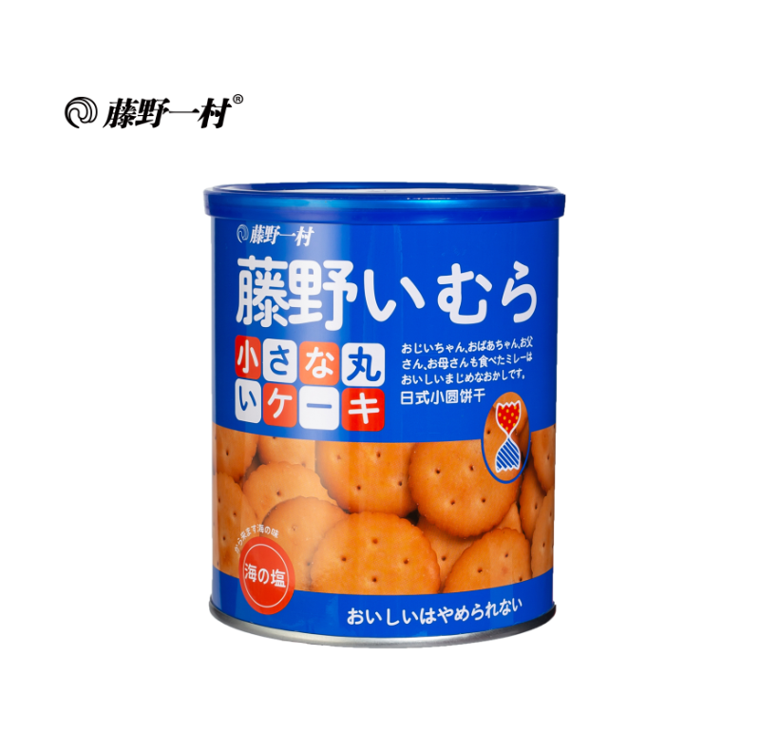 | 1905310000 | 4897081072158 | 12个月 12 months | 138g*12罐 138g*12cans | 0.315 | 0.215 | 0.255 | 0.017 | 3.1
2 | 饼干类 biscuit | 藤野一村138g手指饼干 Fujino Ichimura 138g Finger Cookies | 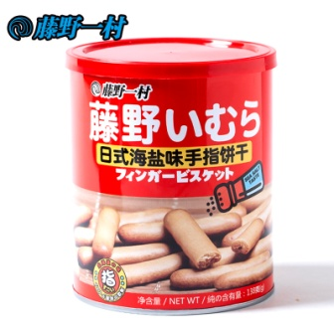 | 1905310000 | 4897081072646 | 12个月 12 months | 138g*12罐 138g*12cans | 0.315 | 0.215 | 0.255 | 0.017 | 3.1
3 | 饼干类 biscuit | 藤野一村138g哈雷吉森巧克力饼干 Fujino Ichimura 138g Chocolate Biscuits | 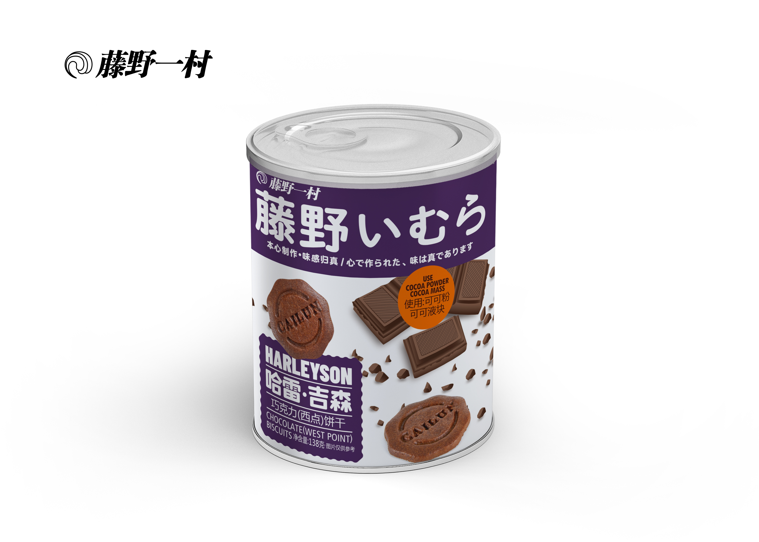 | 1905310000 | 4897081074718 | 12个月 12 months | 138g*12罐 138g*12cans | 0.315 | 0.215 | 0.255 | 0.017 | 3.1
4 | 饼干类 biscuit | 藤野一村168g小圆饼 Fujino Ichimura 168g small round biscuit | 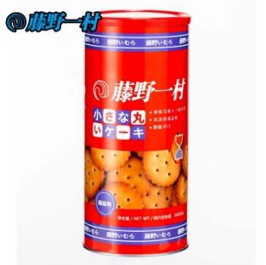 | 1905310000 | 4897081072325 | 12个月 12 months | 168g*12罐 168g*12cans | 0.430 | 0.327 | 0.239 | 0.034 | 4.4
5 | 饼干类 biscuit | 藤野一村235g芝士夹心饼干 Fujino Ichimura 235g Cheese Sandwich Biscuit | 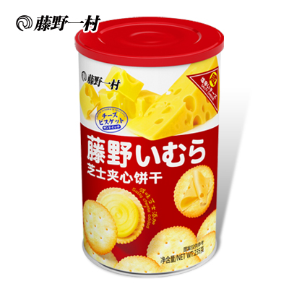 | 1905310000 | 4897081073339 | 12个月 12 months | 235g*6罐 235g*6cans | 0.398 | 0.27 | 0.166 | 0.018 | 2.85
6 | 饼干类 biscuit | 藤野一村115g芝士夹心饼干 Fujino Ichimura 115g Cheese Sandwich Biscuit | 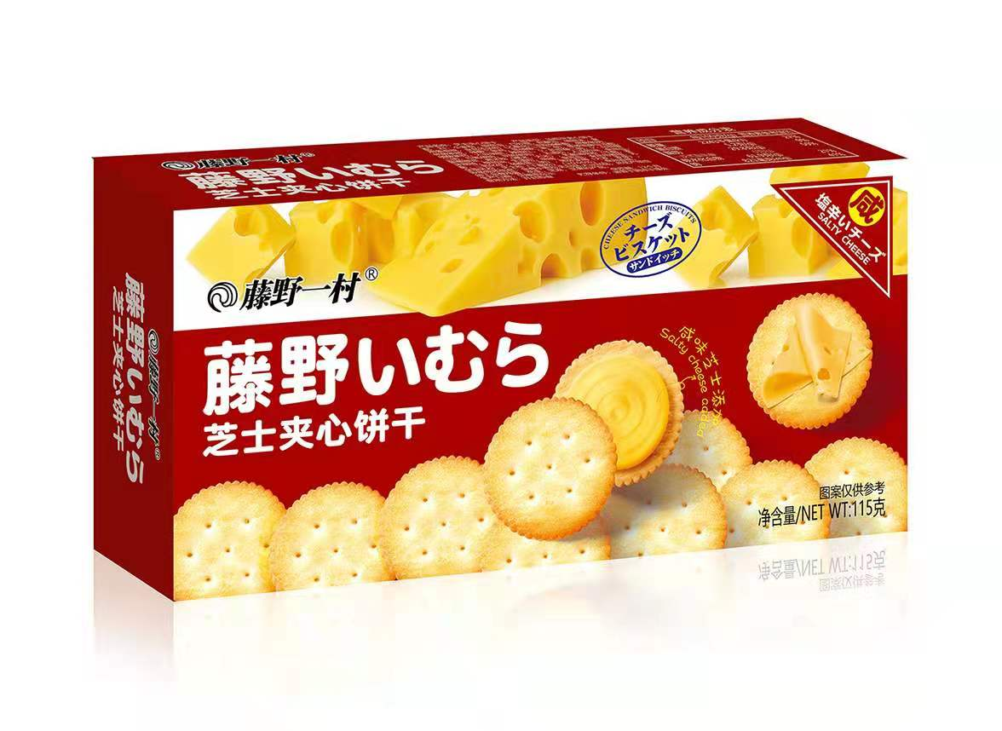 | 1905310000 | 4897081073704 | 12个月 12 months | 115g*24盒 115g*24boxes | 0.49 | 0.35 | 0.255 | 0.044 | 4.45
7 | 饼干类 biscuit | 藤野一村袋装248g小圆饼 Fujino Ichimura Bagged 248g Small Round biscuit | 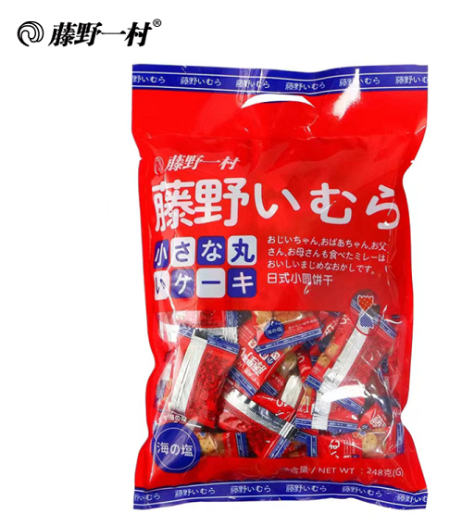 | 1905310000 | 4897081072332 | 12个月 12 months | 248g*24包 248g*24packs | 0.510 | 0.360 | 0.325 | 0.060 | 7.5
8 | 饼干类 biscuit | 藤野一村248g哈雷吉森巧克力饼干 Fujino Ichimura 248g Chocolate Biscuits | 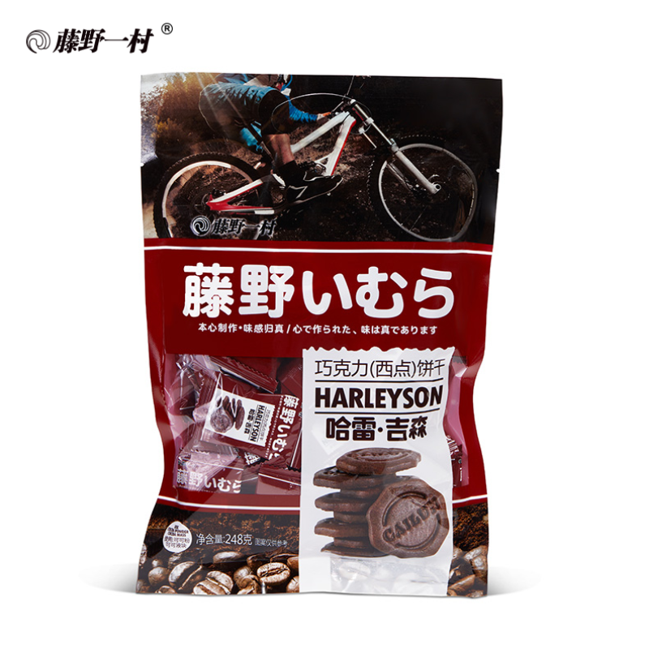 | 1905310000 | 4897081074640 | 12个月 12 months | 248g*24包 248g*24packs | 0.510 | 0.360 | 0.325 | 0.060 | 7.6
9 | 饼干类 biscuit | 藤野一村188克粗谷饼 188 Coarse grain biscuit | 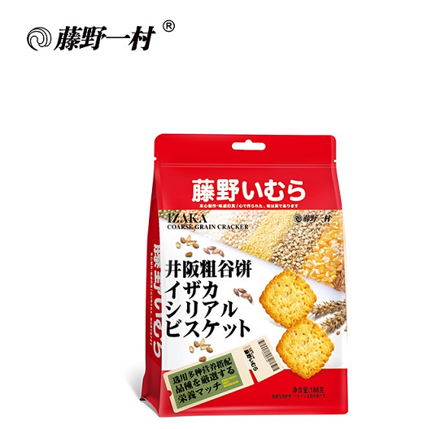 | 1905310000 | 4897081074237 | 12个月 12 months | 188g*20袋 188g*20bags | 0.500 | 0.370 | 0.210 | 0.039 | 4.7
10 | 饼干类 biscuit | 藤野一村258g日式蛋仔烧饼干 Fujino Ichimura 258g egg biscuit | 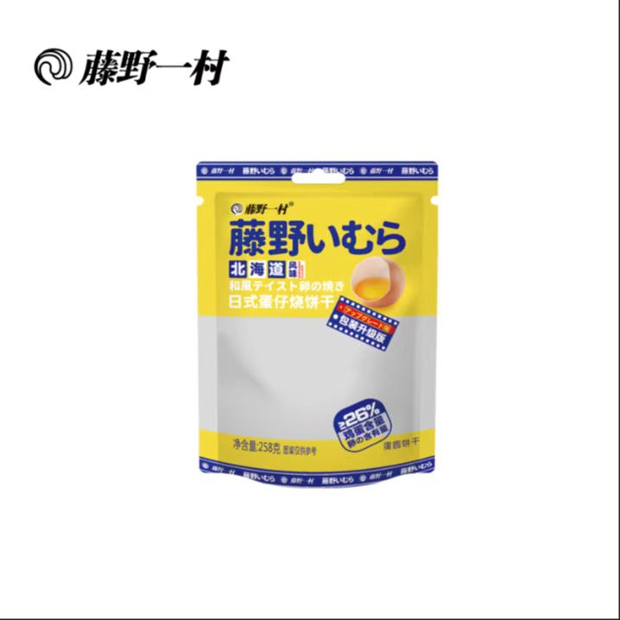 | 1905310000 | 4897081075043 | 12个月 12 months | 258g*12袋 258g*12bags | 0.490 | 0.355 | 0.370 | 0.060 | 4.6
11 | 饼干类 biscuit | 藤野一村142g黑麦海盐苏打饼干 Fujino Ichimura 142g rye sea salt soda crackers | 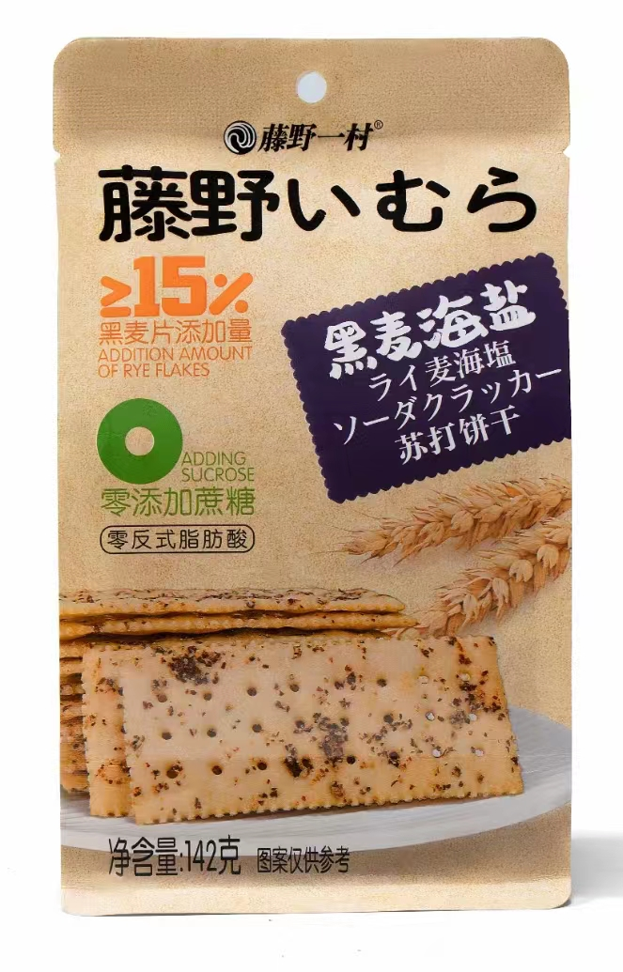 | 1905900000 | 4897081075050 | 10个月 10 months | 142g*24袋 142g*24bags | 0.397 | 0.288 | 0.285 | 0.033 | 8.6
12 | 饼干类 biscuit | 藤野一村168g（橙皮果丁）曲奇饼干 168g orange cookies | 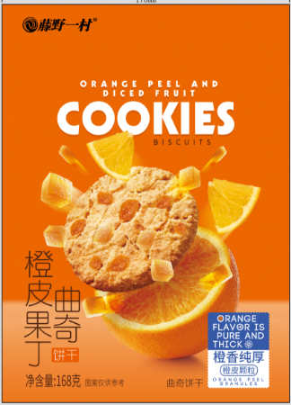 | 1905310000 | 4897081076378 | 12个月 | 168g*24袋 | 0.500 | 0.320 | 0.240 | 0.038
13 | 饼干类 biscuit | 藤野一村168g（巧克力豆）曲奇饼干 168g chocolate bean cookies | 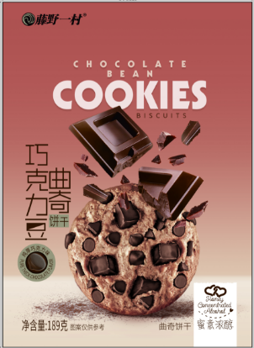 | 1905310000 | 4897081076385 | 12个月 | 168g*24袋 | 0.500 | 0.320 | 0.240 | 0.038
14 | 饼干类 biscuit | 藤野一村228g小圆饼（红色） Fujino Yicun 228g Small Round biscuit (Red) | 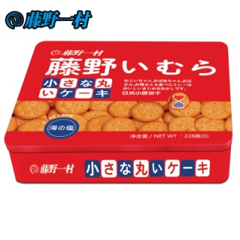 | 1905310000 | 4897081072165 | 12个月 12 months | 228g*12盒 228g*12boxes | 0.500 | 0.333 | 0.380 | 0.063 | 9.8
15 | 饼干类 biscuit | 藤野一村228g小圆饼（蓝色） Fujino Ichimura 228g Small Round biscuit (Blue) | 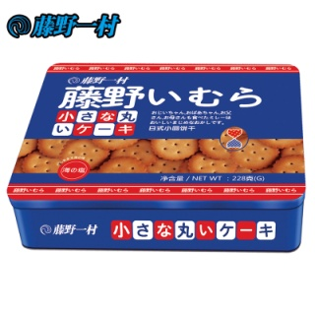 | 1905310000 | 4897081072165 | 12个月 12 months | 228g*12盒 228g*12boxes | 0.500 | 0.333 | 0.380 | 0.063 | 9.8
16 | 饼干类 biscuit | 藤野一村280g巧克力豆曲奇 Fujino Ichimura 280g Chocolate chip Cookies | 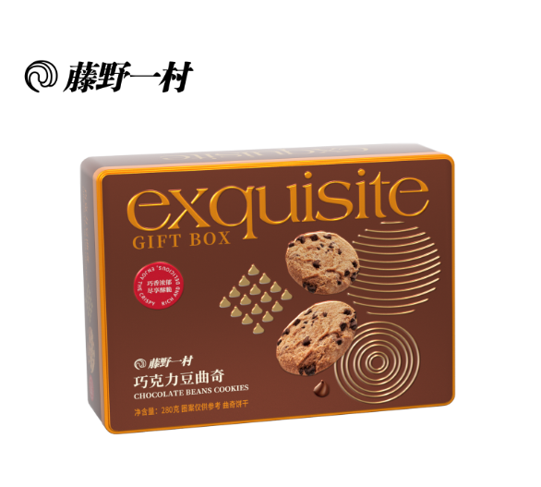 | 1905310000 | 4897081074749 | 9个月 9 months | 280g*12盒 280g*12boxes | 0.500 | 0.333 | 0.380 | 0.060 | 10.5
17 | 饼干类 biscuit | 藤野一村458g海盐芝士夹心饼干 Fujino Ichimura 458g Sea Salt Cheese Sandwich Biscuit | 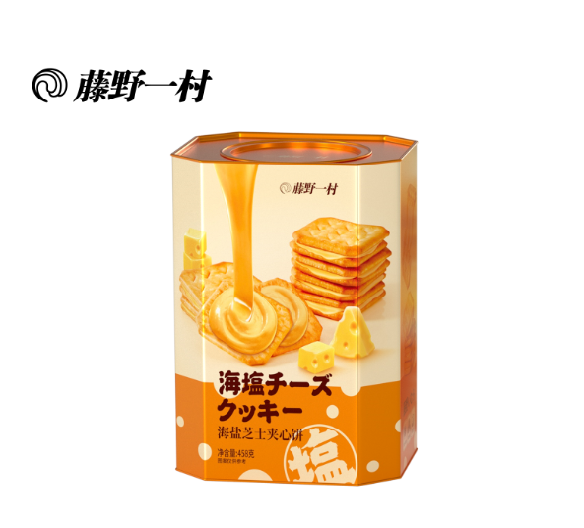 | 1905900000 | 4897081074732 | 12个月 12 months | 458g*8盒 458g*8boxes | 0.580 | 0.357 | 0.255 | 0.050 | 7.85
18 | 饼干类 biscuit | 藤野一村358g综合饼集 Fujino Ichimura 358g mixed flavor biscuit | 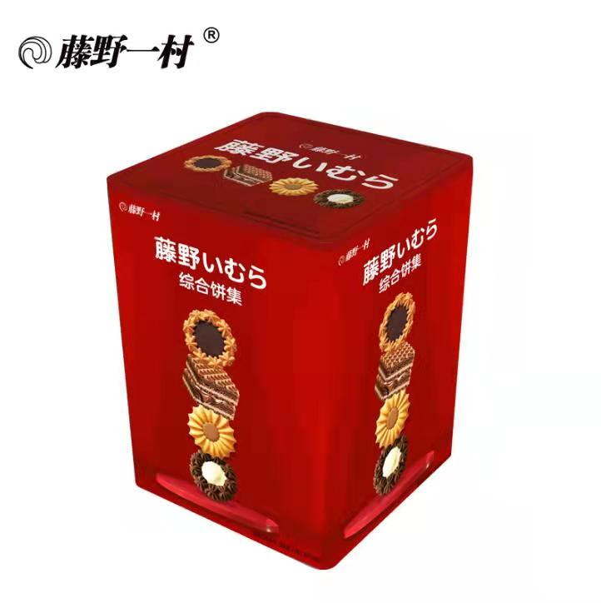 | 1905310000 | 4897081074244 | 10个月 10 months | 358g*12盒 358g*12boxes | 0.461 | 0.314 | 0.460 | 0.067 | 9.25
19 | 蛋卷类 egg roll | 藤野一村128g日式椰奶卷 Fujino Ichimura 128g Coconut Milk Rolls | 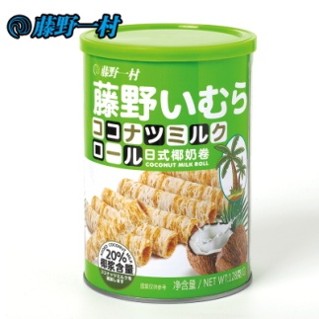 | 1905900000 | 4897081072721 | 12个月 12 months | 128g*12罐 128g*12cans | 0.313 | 0.21 | 0.303 | 0.020 | 3.2
20 | 蛋卷类 egg roll | 藤野一村128g日式巧克力卷 Fujino Ichimura 128g Chocolate Roll | 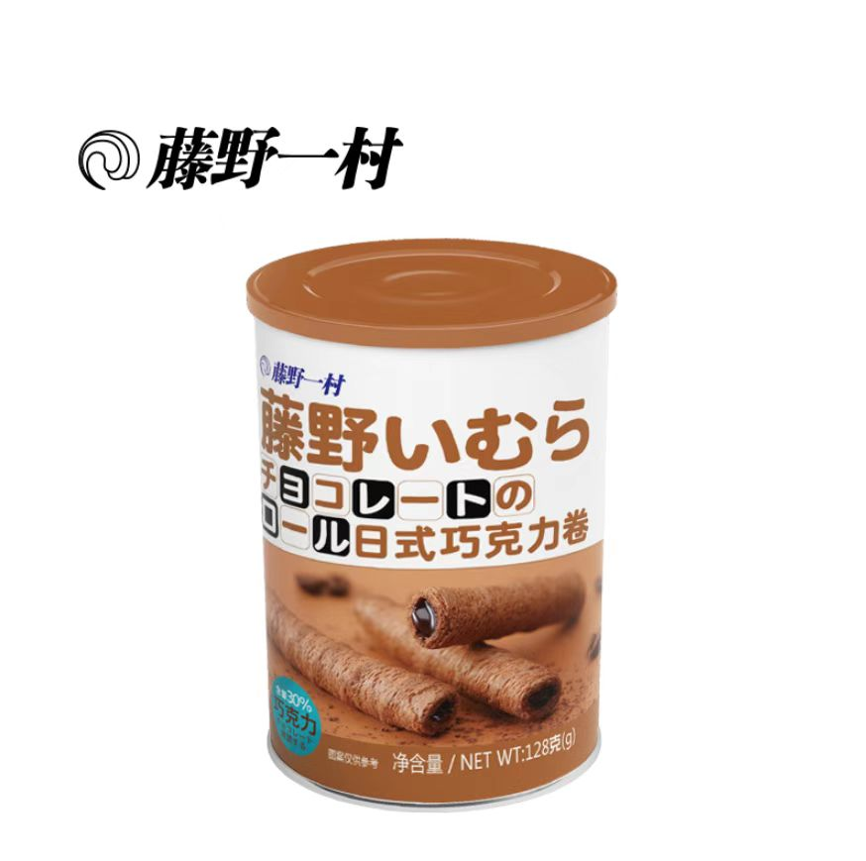 | 1905900000 | 4897081072974 | 12个月 12 months | 128g*12罐 128g*12cans | 0.313 | 0.21 | 0.303 | 0.020 | 3.2
21 | 蛋卷类 egg roll | 藤野一村258g榴莲味夹心酥 Fujino Yicun 258g durian flavored sandwich pastry | 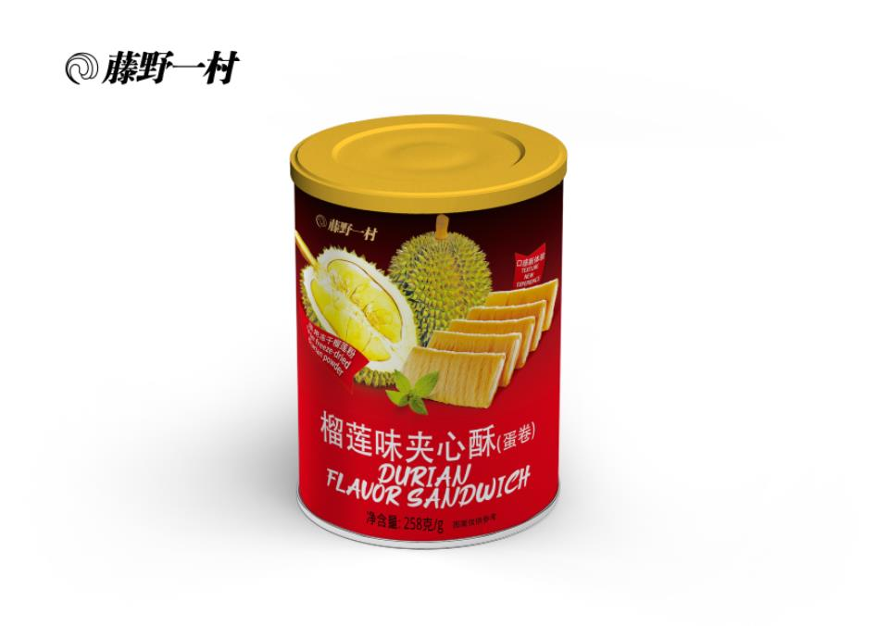 | 1905900000 | 4897081074763 | 10个月 10 months | 258g*24罐 258g*24cans | 0.36 | 0.275 | 0.25 | 0.020 | 8.4
22 | 蛋卷类 egg roll | 藤野一村162g手工蛋卷（原味） Fujino Ichimura 162g Handmade egg rolls (Original Flavor) | 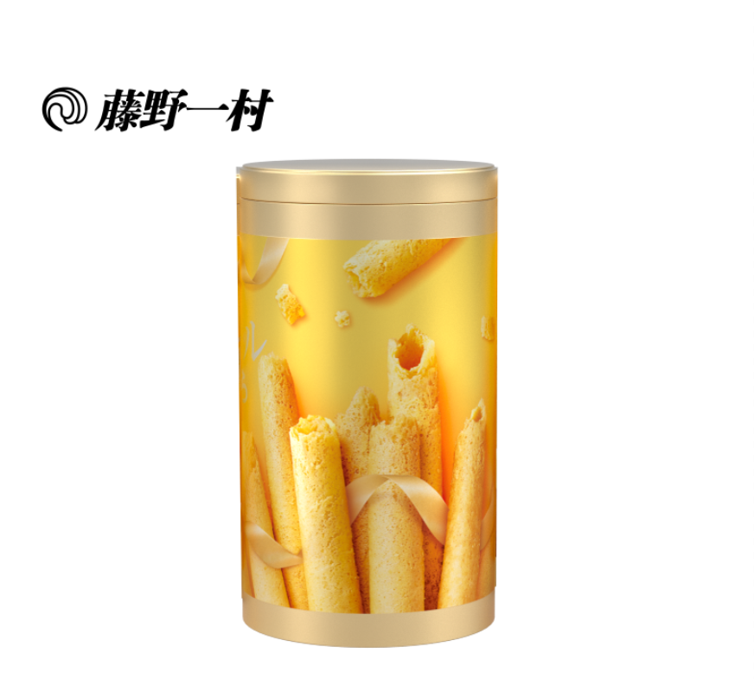 | 1905900000 | 4897081074794 | 12个月 12 months | 162g*12罐 162g*12cans | 0.455 | 0.342 | 0.22 | 0.034 | 4.8
23 | 蛋卷类 egg roll | 藤野一村160g全麦蛋卷（原味） 160g whole wheat egg roll(Original) | 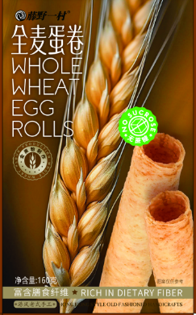 | 1905900000 | 4897081076361 | 12个月 | 160g*24盒 | 0.475 | 0.435 | 0.32 | 0.066
24 | 蛋卷类 egg roll | 藤野一村90g日式手工蛋卷（原味） Fujino Ichimura 90g Egg Rolls (original flavor) | 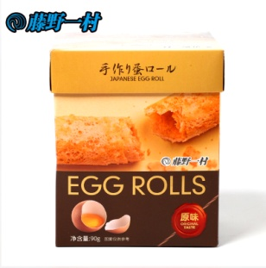 | 1905900000 | 4897081072691 | 12个月 12 months | 90g*12盒 90g*12boxes | 0.355 | 0.24 | 0.285 | 0.024 | 2.25
25 | 蛋卷类 egg roll | 藤野一村90g日式手工蛋卷（菠萝味） Fujino Ichimura 90g Egg Rolls (pineapple flavor) | 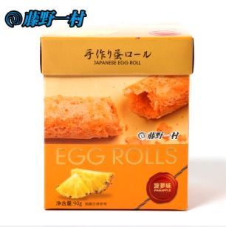 | 1905900000 | 4897081072714 | 12个月 12 months | 90g*12盒 90g*12boxes | 0.355 | 0.24 | 0.285 | 0.024 | 2.25
26 | 蛋卷类 egg roll | 藤野一村300g原味手工蛋卷 Fujino Ichimura 300g egg rolls （original flavor） | 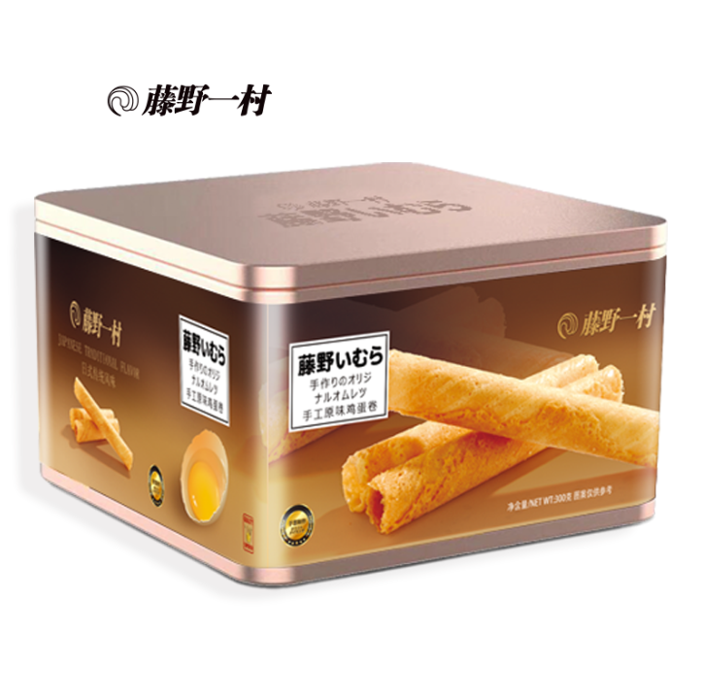 | 1905900000 | 4897081071359 | 12个月 12 months | 300g*12盒 300g*12boxes | 0.66 | 0.445 | 0.25 | 0.073 | 9.4
27 | 蛋卷类 egg roll | 彩伦160g纸盒手工蛋卷（原味） Fujino Ichimura 300g original hand egg rolls | 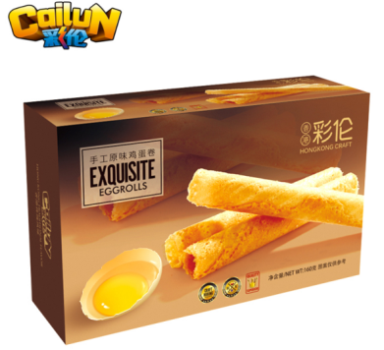 | 1905900000 | 4897081070215 | 12个月 12 months | 160g*24盒 160g*24boxes | 0.475 | 0.435 | 0.32 | 0.06612 | 6.55
28 | 糖果 sugar | 藤野一村120g3D剥皮葡萄味软糖 120g filled gummy(grape flavor) | 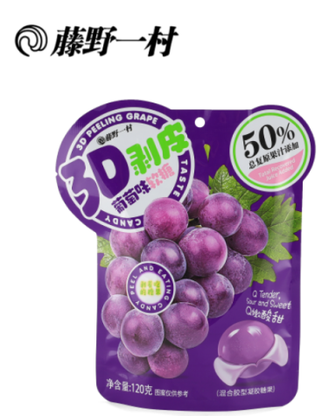 | 1704900000 | 4897081075951 | 12个月 | 120g*24袋 | 0.420 | 0.325 | 0.160 | 0.022
29 | 糖果 sugar | 藤野一村120g3D剥皮青提味软糖 120g filled gummy(green grape flavor) | 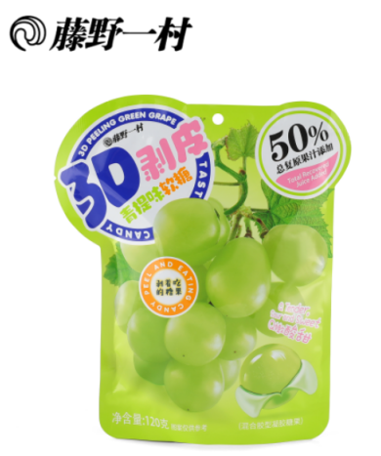 | 1704900000 | 4897081075937 | 12个月 | 120g*24袋 | 0.420 | 0.325 | 0.160 | 0.022
30 | 糖果 sugar | 藤野一村120g3D剥皮白桃味软糖 120g filled gummy(white peach flavor) | 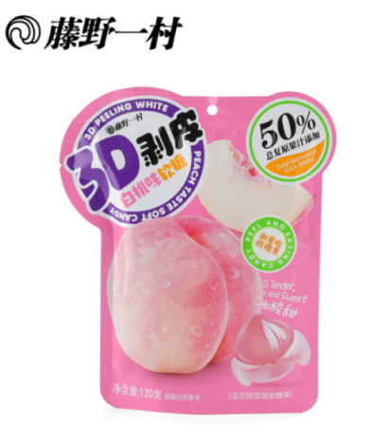 | 1704900000 | 4897081075944 | 12个月 | 120g*24袋 | 0.420 | 0.325 | 0.160 | 0.022
31 | 糖果 sugar | 藤野一村138g啵啵果滋（什锦装）Fujino Ichimura 138g filled gummy (Mixed flavor) | 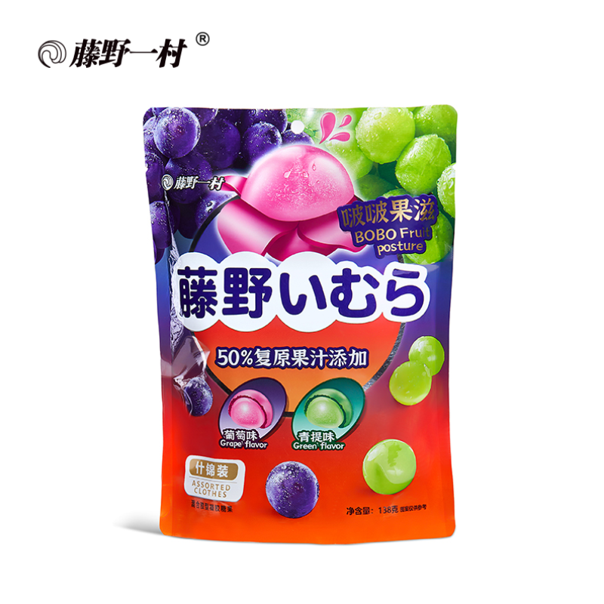 | 1704900000 | 4897081074657 | 12个月 12 months | 138g*24袋 138g*24bags | 0.390 | 0.330 | 0.260 | 0.033 | 4.3
32 | 膨化类 Puffed snack | 藤野一村88g虾片（原味） 88g prawn cracker (original flavor) | 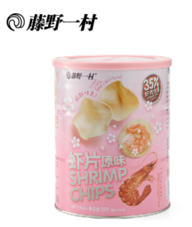 | 1904100000 | 4897081072578 | 9个月 | 88g*6罐 | 0.398 | 0.27 | 0.166 | 0.020
33 | 膨化类 Puffed snack | 藤野一村88g虾片（香葱味） 88g prawn cracker (scallion flavor) | 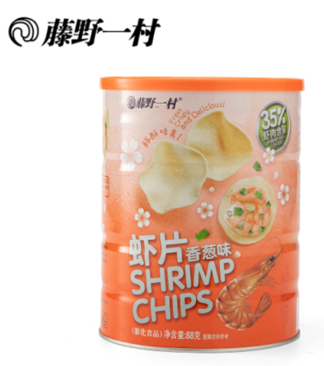 | 1904100000 | 4897081075975 | 9个月 | 88g*6罐 | 0.398 | 0.27 | 0.166 | 0.020
34 | 膨化类 Puffed snack | 藤野一村100g鱼肉棒（藤椒味） Fujino Ichimura 100g Fish crisp (Vine Pepper Flavor) | 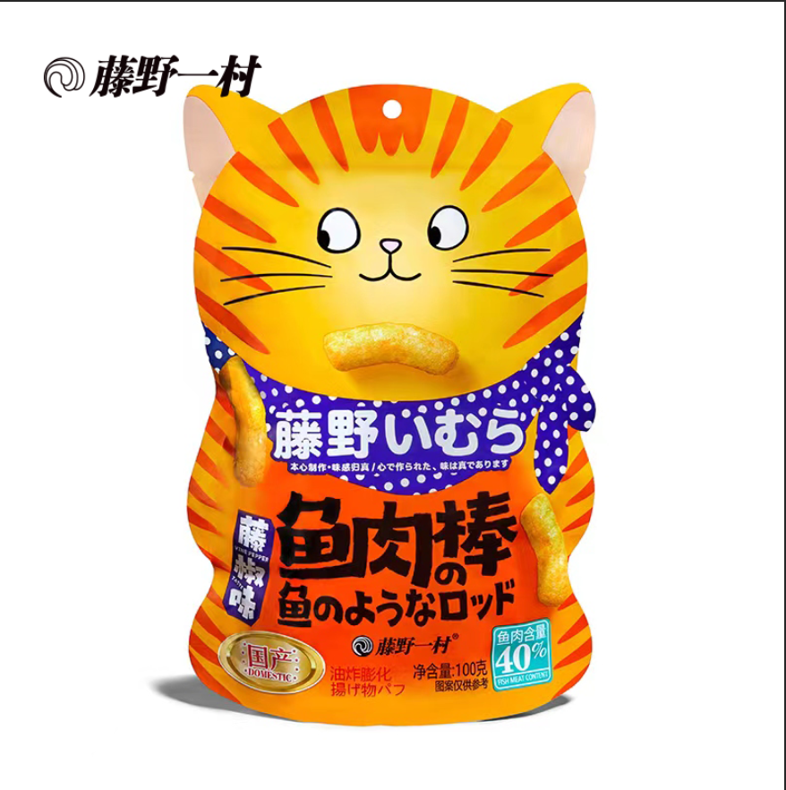 | 1905900000 | 4897081074633 | 8个月 8 months | 100g*30袋 100g*30bags | 0.570 | 0.280 | 0.350 | 0.055 | 4.15
35 | 膨化类 Puffed snack | 藤野一村100g鱼肉棒（原味） Fujino Ichimura 100g Fish crisp (Original Flavor) | 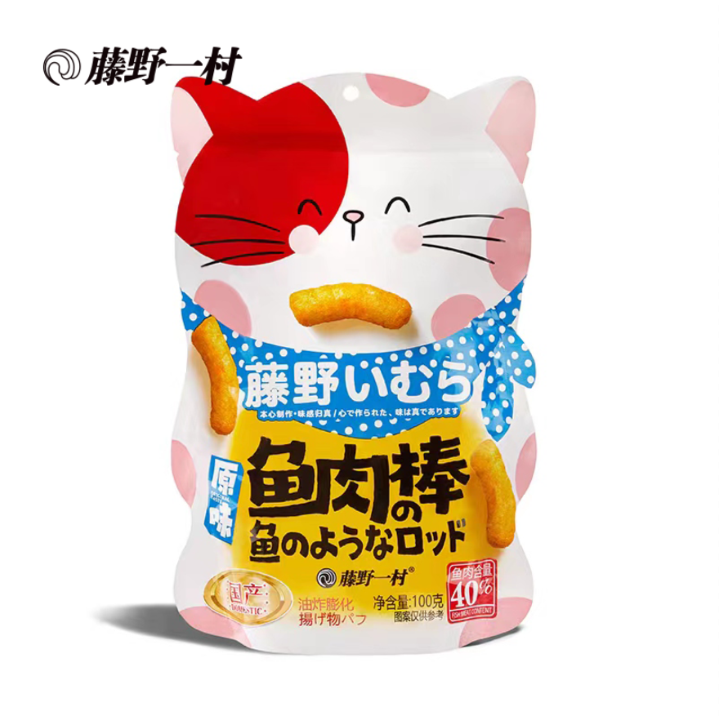 | 1905900000 | 4897081074626 | 8个月 8 months | 100g*30袋 100g*30bags | 0.570 | 0.280 | 0.350 | 0.055 | 4.15
36 | 膨化类 Puffed snack | 藤野一村42g（原味）深海鱼酥 Fujino Ichimura 42g deep-sea fish crisp(original flavor) | 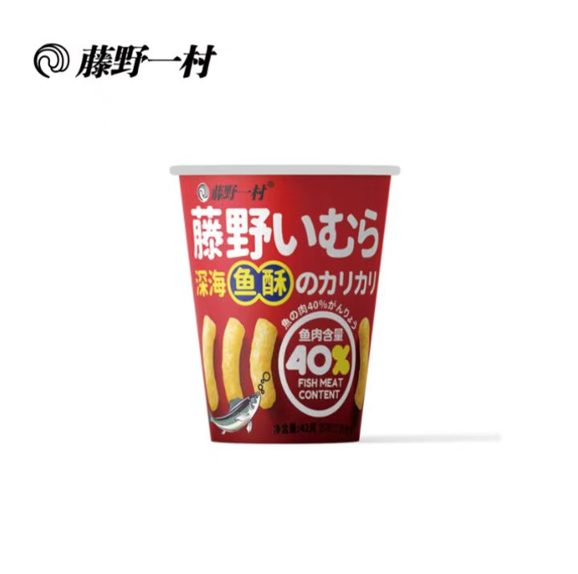 | 1905900000 | 4897081074992 | 8个月 8 months | 42g*24杯 42g*24cups | 0.470 | 0.320 | 0.120 | 0.020 | 1.9
37 | 膨化类 Puffed snack | 藤野一村42g（葱香味）深海鱼酥 Fujino Ichimura 42g Deep-Sea Fish Crisp (scallion flavor) | 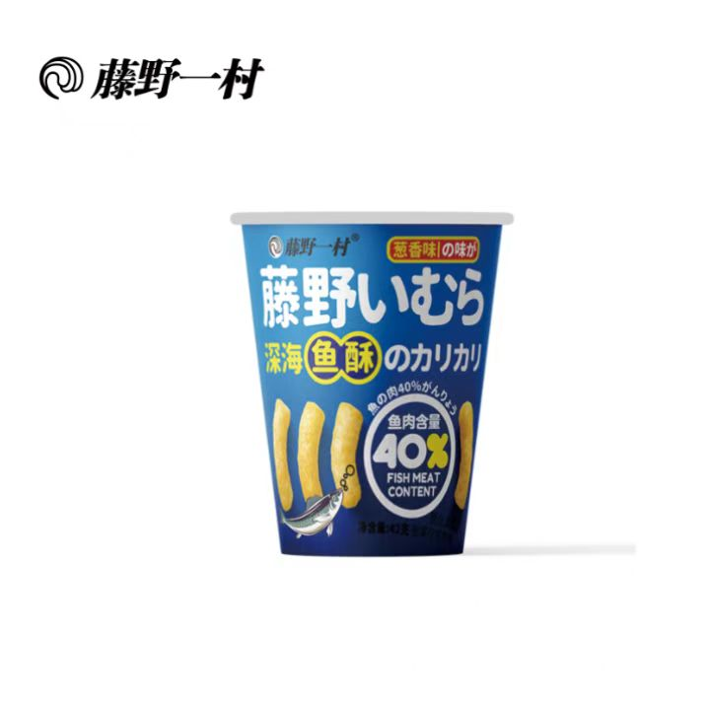 | 1905900000 | 4897081074978 | 8个月 8 months | 42g*24杯 42g*24cups | 0.470 | 0.320 | 0.120 | 0.020 | 1.9
38 | 膨化类 Puffed snack | 藤野一村42g（藤椒味）深海鱼酥 Fujino Ichimura 42g deep-sea fish crisp Rattan pepper flavor | 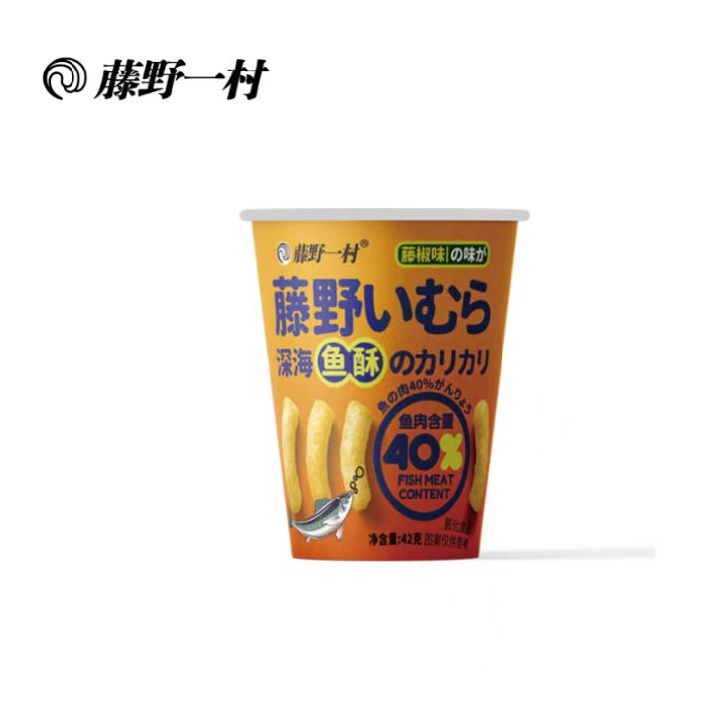 | 1905900000 | 4897081074985 | 8个月 8 months | 42g*24杯 42g*24cups | 0.470 | 0.320 | 0.120 | 0.020 | 1.9
39 | 膨化类 Puffed snack | 彩伦100克黄金鱿鱼卷（鱿鱼味） 100g Golden Squid Rolls | 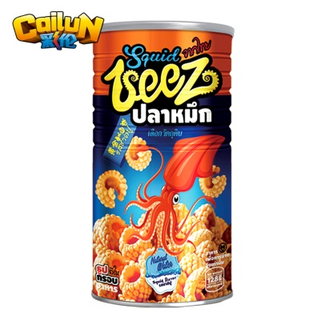 | 1905900000 | 4897050893067 | 9个月 9 months | 100g*12盒 100g*12boxes | 0.43 | 0.327 | 0.239 | 0.034 | 3.5
40 | 膨化类 Puffed snack | 100g彩伦塔烤努香酥虾条 100g Prawn Strips | 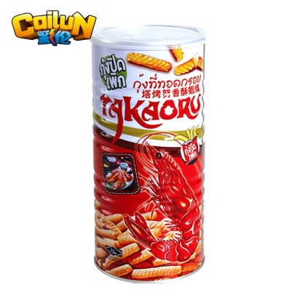 | 1905900000 | 4897050891070 | 9个月 9 months | 100g*12瓶 100g*12bottles | 0.43 | 0.327 | 0.239 | 0.034 | 3.5
41 | 膨化类 Puffed snack | 彩伦75g龙虾片 75g Lobster Slices | 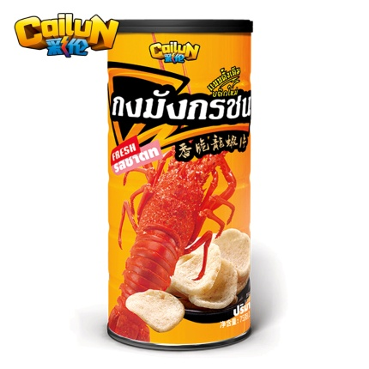 | 1905900000 | 4897050893548 | 9个月 9 months | 75g*12瓶 75g*12bottles | 0.43 | 0.327 | 0.239 | 0.034 | 3.5
42 | 果冻类 jelly | 藤野一村320g（苹果胡萝卜）果冻 320g (apple and carrot) jelly | 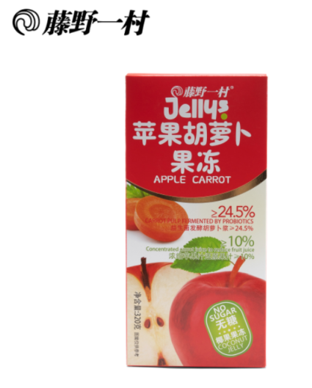 | 1704900000 | 4897081075982 | 12个月 | 320克*12盒 | 0.5 | 0.26 | 0.17 | 0.022
43 | 果冻类 jelly | 藤野一村320g（枇杷雪梨）果冻 320g (loquat and pear) jelly | 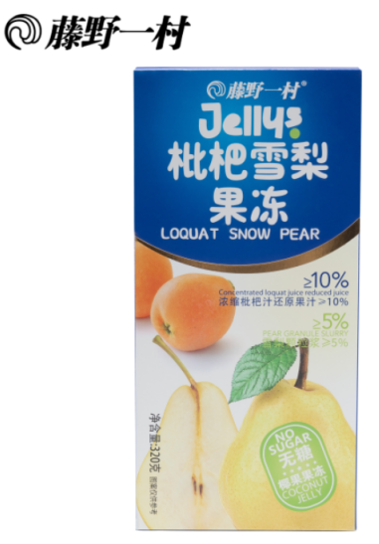 | 1704900000 | 4897081075968 | 12个月 | 320克*12盒 | 0.5 | 0.26 | 0.17 | 0.022
44 | 果冻类 jelly | 藤野一村320g（椰果香橙）果冻 320g (coconut and orange) jelly | 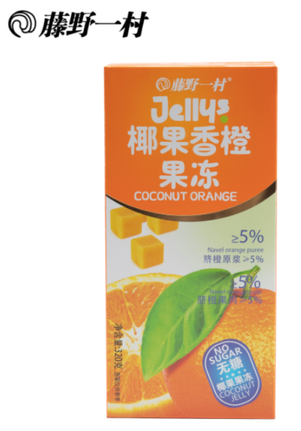 | 1704900000 | 4897081076088 | 12个月 | 320克*12盒 | 0.5 | 0.26 | 0.17 | 0.022
45 | 果冻类 jelly | 藤野一村306g爆珠布丁（白桃） Fujino Ichimura 306g Popcorn Pudding (White Peach) | 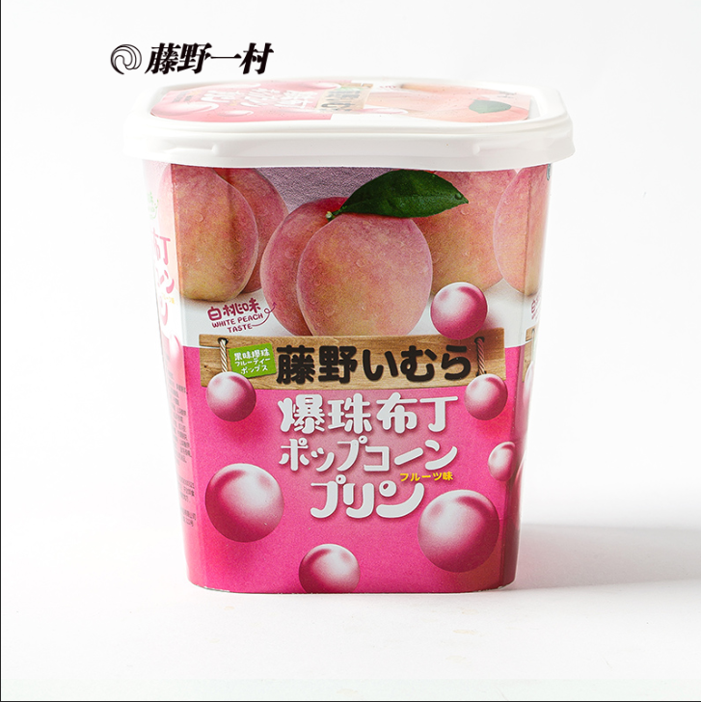 | 1704900000 | 4897081073391 | 12个月 12 months | 306g*12盒 306g*12boxes | 0.44 | 0.33 | 0.125 | 0.018 | 4.5
46 | 果冻类 jelly | 藤野一村306g爆珠布丁（蓝莓） Fujino Ichimura 306g Popcorn Pudding (Blueberry) | 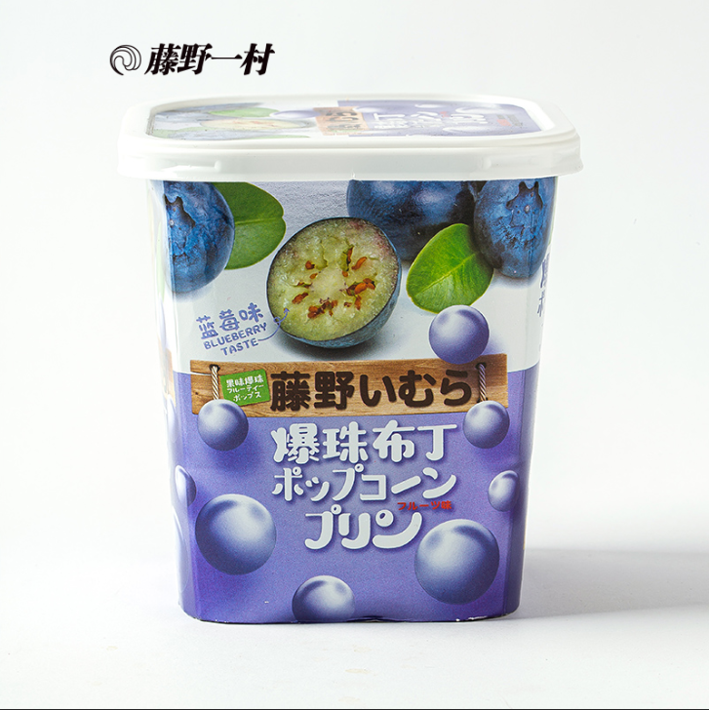 | 1704900000 | 4897081073407 | 12个月 12 months | 306g*12盒 306g*12boxes | 0.44 | 0.33 | 0.125 | 0.018 | 4.5
47 | 果冻类 jelly | 藤野一村306g爆珠布丁（芒果） Fujino Ichimura 306g Popcorn Pudding (Mango) | 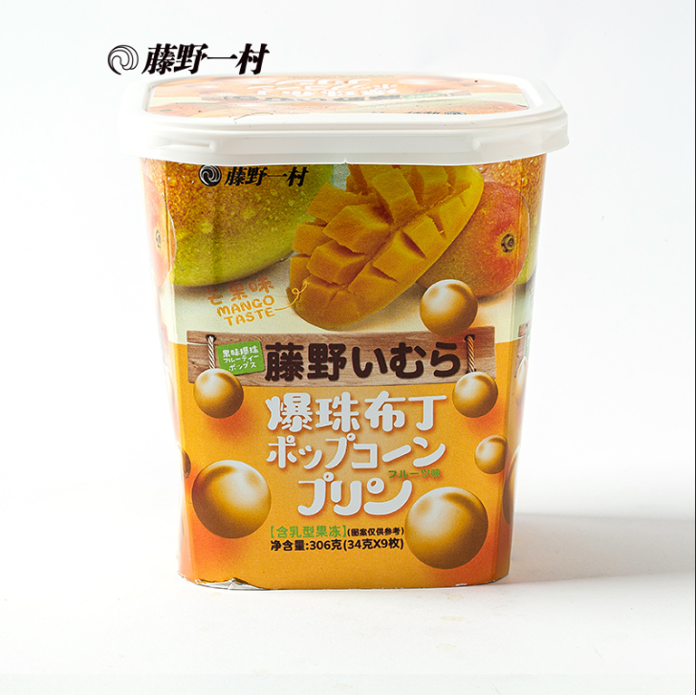 | 1704900000 | 4897081073414 | 12个月 12 months | 306g*12盒 306g*12boxes | 0.44 | 0.33 | 0.125 | 0.018 | 4.5
48 | 冻干类 freeze-dried snack | 藤野一村90g冻干香橙可可片 Fujino Ichimura 90g freeze-dried orange cocoa slices | 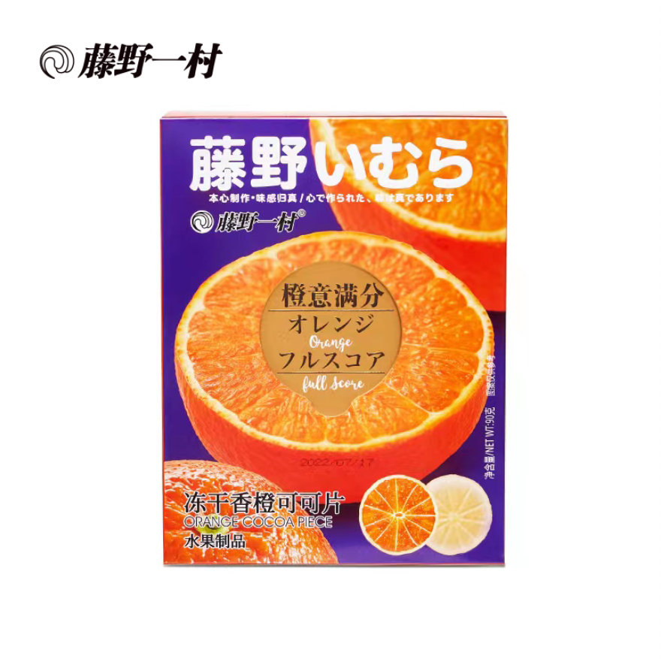 | 813409090 | 4897081074565 | 12个月 12 months | 90g*20盒 90g*20boxes | 0.513 | 0.265 | 0.395 | 0.053 | 4
49 | 冻干类 freeze-dried snack | 藤野一村80g酸奶块（蓝莓） Fujino Ichimura 80g Yogurt Block (Blueberry) | 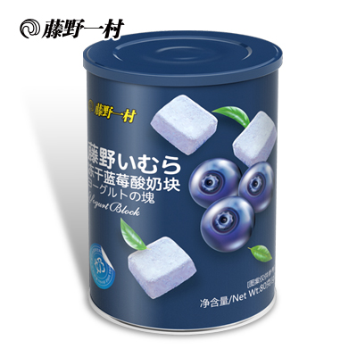 | 813409090 | 4897081073346 | 12个月 12 months | 80g*12罐 80g*12cans | 0.315 | 0.22 | 0.26 | 0.018 | 2.4
50 | 冻干类 freeze-dried snack | 藤野一村80g酸奶块（黄桃） Fujino Ichimura 80g Yogurt Block (Huangtao) | 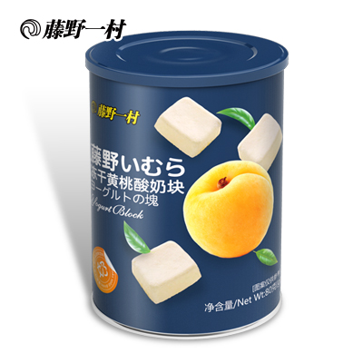 | 813409090 | 4897081073353 | 12个月 12 months | 80g*12罐 80g*12cans | 0.315 | 0.22 | 0.26 | 0.018 | 2.4
51 | 冻干类 freeze-dried snack | 藤野一村80g酸奶块（草莓） Fujino Ichimura 80g Yogurt Block (Strawberry) |  | 813409090 | 4897081073360 | 12个月 12 months | 80g*12罐 80g*12cans | 0.315 | 0.22 | 0.26 | 0.018 | 2.4
52 | 冻干类 freeze-dried snack | 藤野一村60g酸奶块（榴莲） Fujino Ichimura 60g Yogurt Block (Durian) |  | 813409090 | 4897081073568 | 12个月 12 months | 60g*12罐 60g*12cans | 0.315 | 0.22 | 0.26 | 0.018 | 2.2

